Sheet1
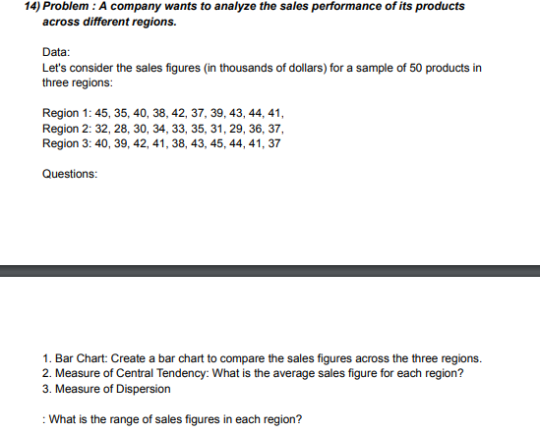
REGION 1 | REGION 2 | REGION 3 | ANSWERS
45 | 32 | 40 |  | MEAN | RANGE
35 | 28 | 39 | Region 1 | 40.4 | 10
40 | 30 | 42 | Region 2 | 32.5 | 9
38 | 34 | 41 | Region 3 | 41 | 8
42 | 33 | 38
37 | 35 | 43
39 | 31 | 45
43 | 29 | 44
44 | 36 | 41
41 | 37 | 37
1. BAR CHART
Sales

